PracticePack
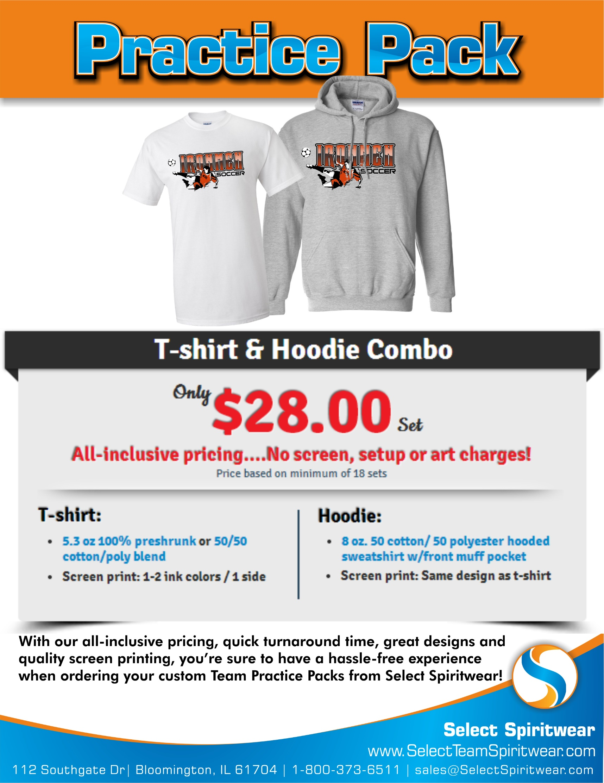
 | TEAM PRACTICE PACK ORDER FORM

School/Team |  |  |  |  |  |  |  | Contact:
Address |  |  |  |  |  |  |  | Phone:
City |  |  | St |  |  | Zip |  | Email:

Artwork/Design Templates: We will create your custom artwork FREE, or choose from any Team/Sport Design template and we will change the artwork to fit your Sport, Mascot & Team Colors!

 | View all of our designs online! Go to: www.SelectTeamSpiritwear.com

Choose Your Design: |  |  |  | Choose Your Apparel: (Team Practice Pack items)

 |  |  |  |  | Circle the Style & Write the color for each item

Team/Sport Design Style: |  |  |  |  | Short Sleeve T-shirt |  |  |  | Hooded Sweatshirt
(i.e. Baseball, Basketball, etc.)
 |  |  |  |  | 100% | OR | 50/50 |  | One Style Available
 |  |  |  |  | cotton |  | blend |  | 8oz 50/50 cotton/poly blend

Design #: (or Custom) |  |  |  |  | Color: |  |  |  | Color:

Choose your quantity/size breakdown: (Place quantity in size boxes)

Youth | Youth | Youth | Adult |  | Adult | Adult | Adult | Adult | Adult | Total | Total
(6-8) | (10-12) | (14-16) | Small |  | Med | Large | XL | XXL | XXXL | Quantity | Price
T-shirt Sizes
 |  |  |  |  |  |  |  |  |  | 0
Hooded Sweatshirt Sizes (Youth Sizes Run Small)
N/A |  |  |  |  |  |  |  |  |  | 0
 |  |  |  |  |  |  |  |  | Total # of Packs |  | $-
 |  |  |  |  |  |  |  |  | _______ x $28.00 =
A customer service rep will contact you to verify your order.
Turnaround time is 2 weeks from when we recieve your order.
An art proof will be emailed for your approval before print.
Thank you for your order!
 |  |  |  |  |  |  |  |  | Add $2 for each XXL |  | $-
 |  |  |  |  |  |  |  |  | Add $3 for each XXXL |  | $-
 |  |  |  |  |  |  |  |  | Total: |  | $-

