PerformancePack
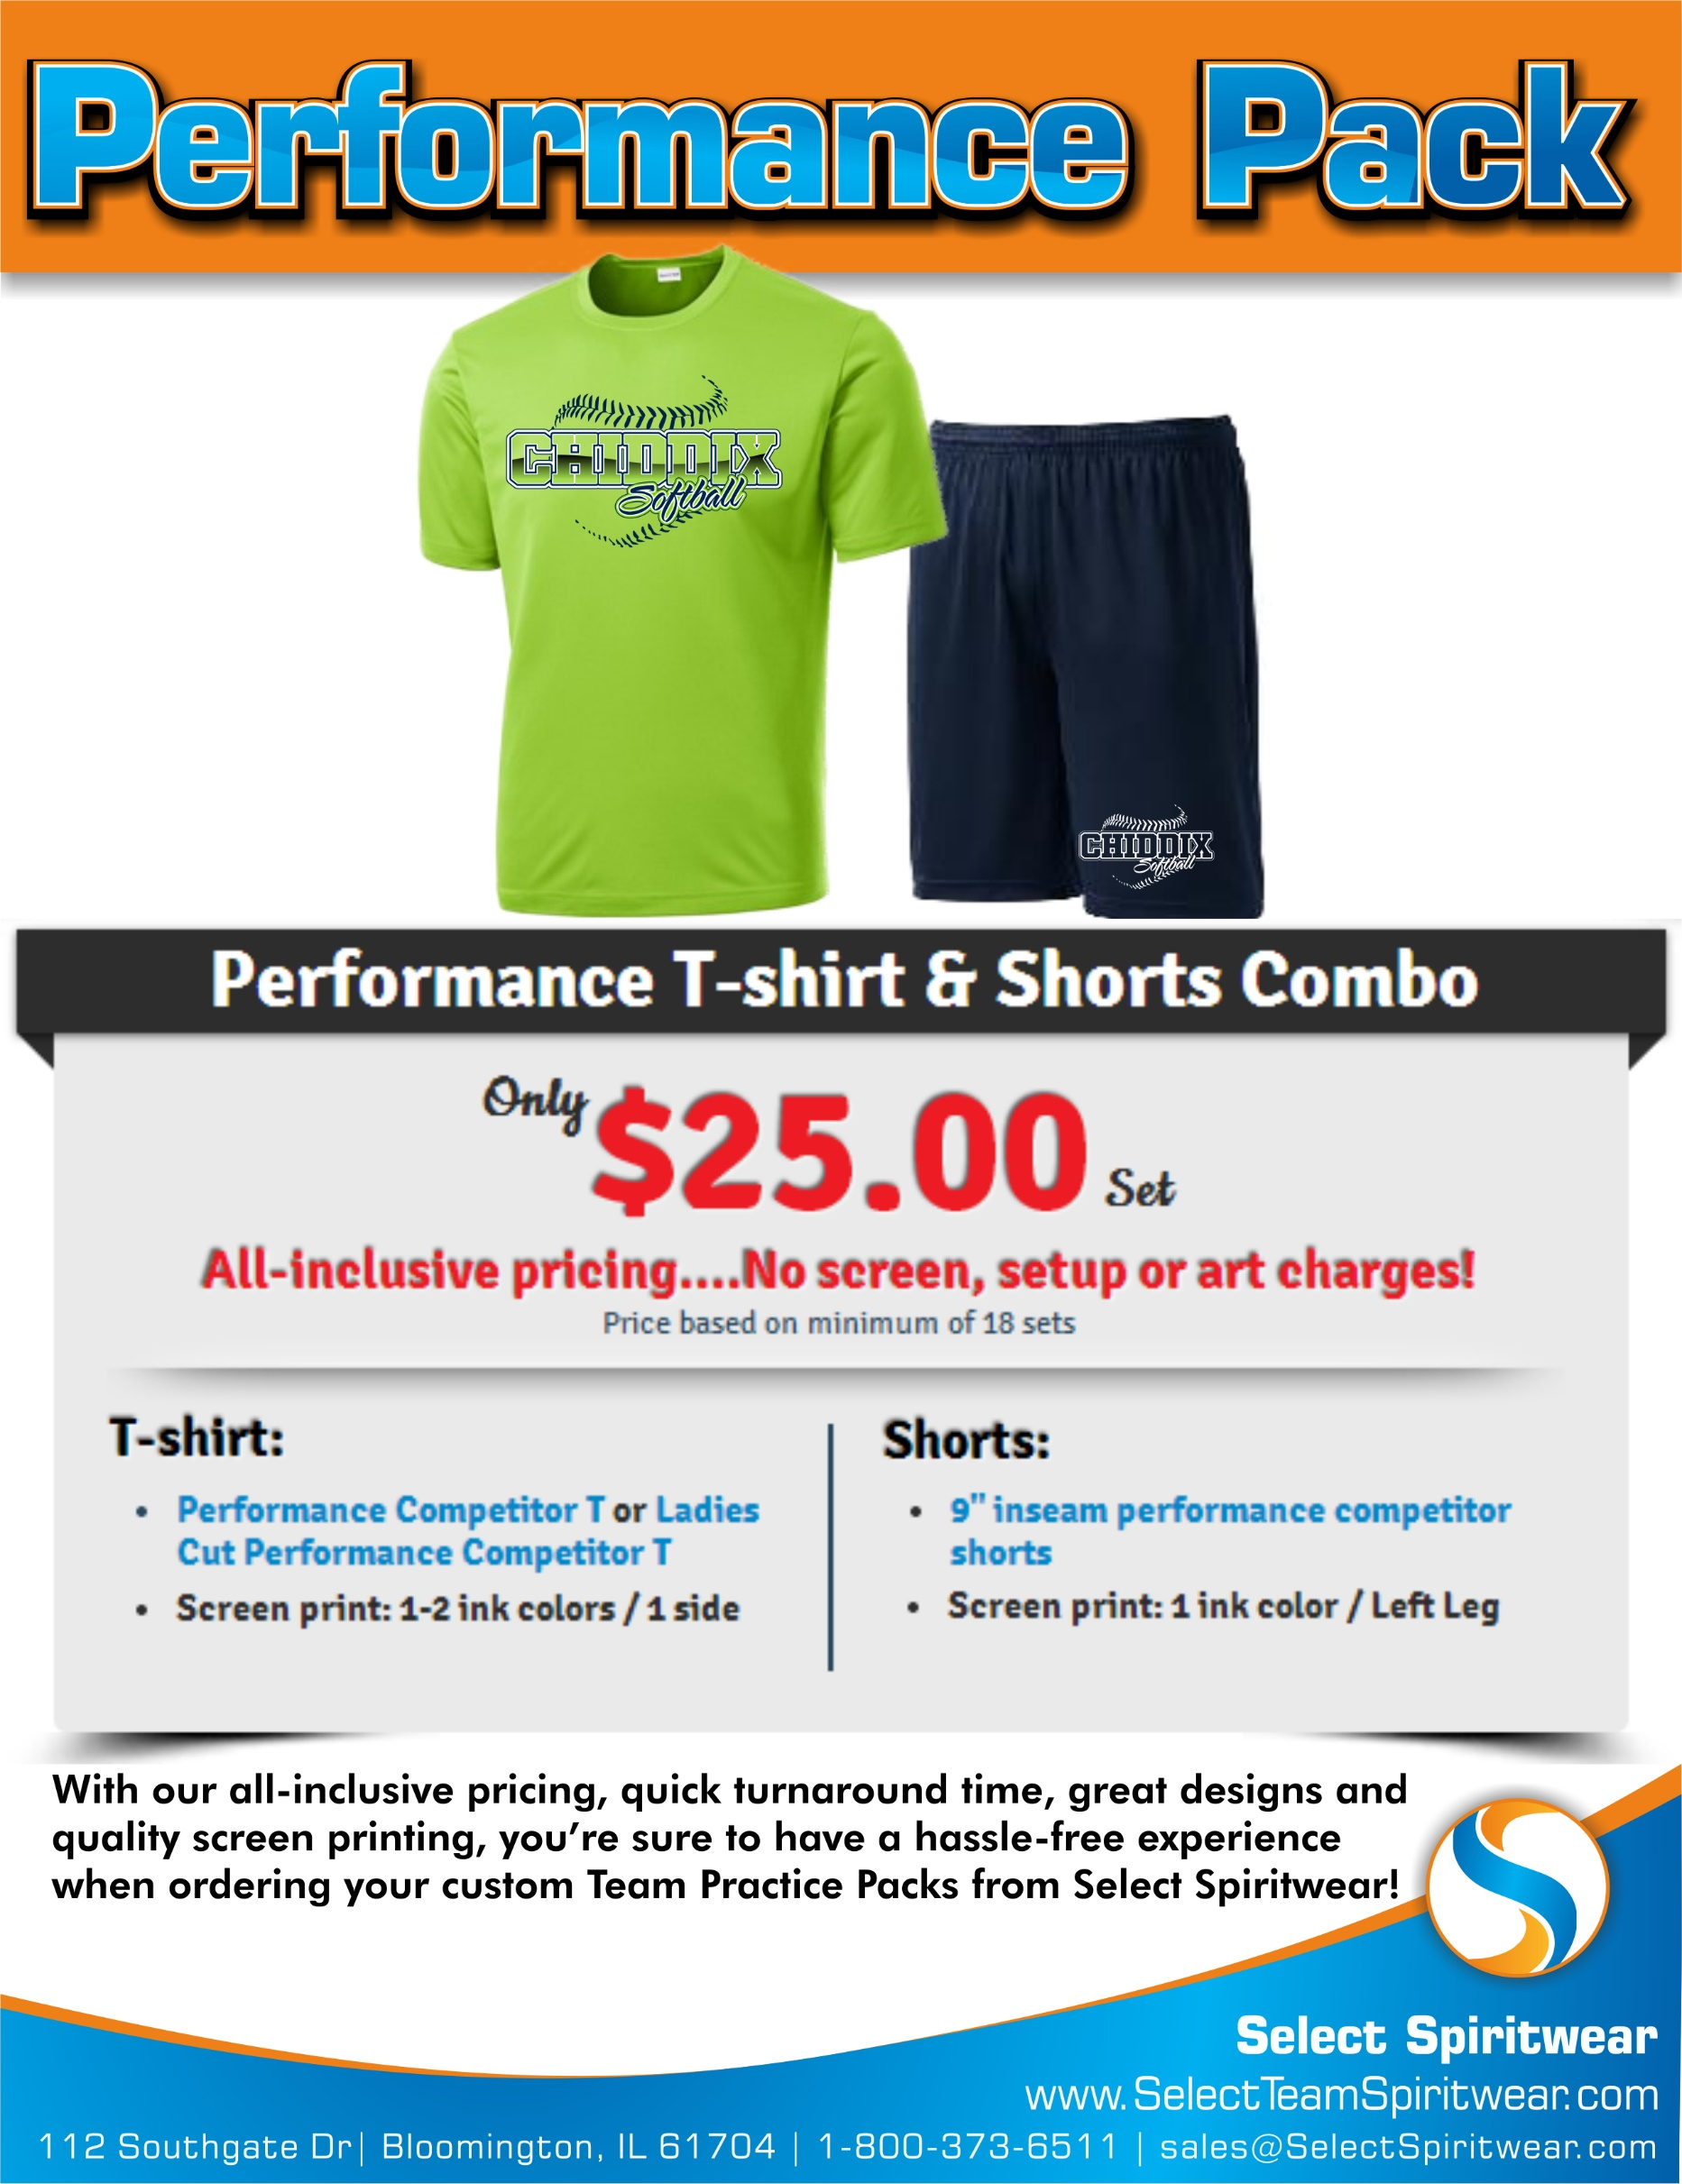
 | TEAM PERFORMANCE PACK ORDER FORM

School/Team |  |  |  |  |  |  |  |  |  | Contact:
Address |  |  |  |  |  |  |  |  |  | Phone:
City |  |  | St |  |  |  |  | Zip |  | Email:

Artwork/Design Templates: We will create your custom artwork FREE, or choose from any Team/Sport Design template and we will change the artwork to fit your Sport, Mascot & Team Colors!

 | View all of our designs online! Go to: www.SelectTeamSpiritwear.com

Choose Your Design: |  |  |  | Choose Your Apparel: (Team Performance Pack items)

 |  |  |  |  | Circle the Style & Write the color for each item

Team/Sport Design Style: |  |  |  |  | Performance T-shirt |  |  |  |  |  | Performance Shorts
(i.e. Baseball, Basketball, etc.)
 |  |  |  |  | Adult/Unisex |  | OR | Ladies Style |  |  | One Style Available
 |  |  |  |  | Style |  |  |  |  |  | 9" Inseam Performance Shorts

Design #: (or Custom) |  |  |  |  | Color: |  |  |  |  |  | Color:

Choose your quantity/size breakdown: (Place quantity in size boxes)

Youth | Youth | Youth | Adult |  | Adult | Adult |  |  | Adult | Adult | Adult | Total | Total
(6-8) | (10-12) | (14-16) | Small |  | Med | Large |  |  | XL | XXL | XXXL | Quantity | Price
Performance T Sizes
 |  |  |  |  |  |  |  |  |  |  |  | 0
Performance Short Sizes
 |  |  |  |  |  |  |  |  |  |  |  | 0
 |  |  |  |  |  |  |  |  |  |  | Total # of Packs |  | $-
 |  |  |  |  |  |  |  |  |  |  | _______ x $25.00 =
A customer service rep will contact you to verify your order.
Turnaround time is 2 weeks from when we recieve your order.
An art proof will be emailed for your approval before print.
Thank you for your order!
 |  |  |  |  |  |  |  |  |  |  | Add $2 for each XXL |  | $-
 |  |  |  |  |  |  |  |  |  |  | Add $3 for each XXXL |  | $-
 |  |  |  |  |  |  |  |  |  |  | Total: |  | $-

